Game
Roll
 | **The first time you open this file you will have to click "Enable Content" in order for the catch goal and cast buttons to work.**

 | To move the button, right click on it to select it. Left click it on

Need help? Check out the video: How to Play Integer Fishing |  | https://www.youtube.com/watch?v=qQ2OmurfkC8&t=1s

Credits
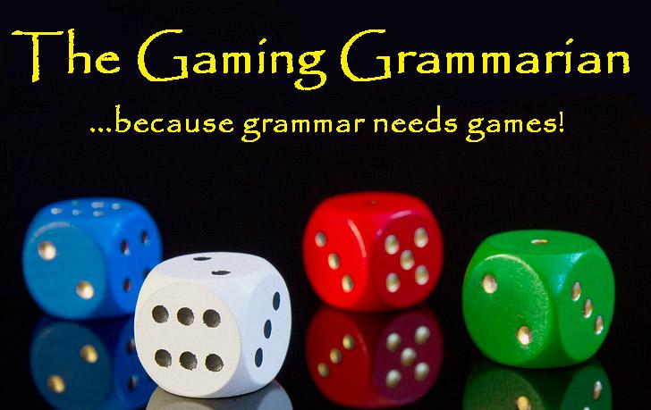

Thank you for purchasing my product, earn credit on TpT by leaving reviews and feedback.
Please remember, while sharing is caring, this purchase gives you the right to use this product in your own
classroom only. Please do not share or distribute this
product in any way except to your own students.
Follow me on:

 | Teachers Pay Teachers
 | Blog
 | Facebook
 | Pinterest
 | YouTube

Need help? Check out the video: How to Play Integer Fishing |  | https://www.youtube.com/watch?v=qQ2OmurfkC8&t=1s

**The first time you open this file you will have to click "Enable Content" in order for the catch goal and cast buttons to work.**

