Game
 | Video Directions: How to Play Integer Fishing
 | Directions: | 1. decide who will be player one and player two, type your names above your score sections in the grey boxes
 |  | 2. player one uses the two buttons to find out your Catch Goal (integer total you want to have) and your Casts Number (number of squares you'll reveal)
 |  | 3. type your goal into the yellow column
 |  | 4. player one casts into the fishing hole by placing an X on the spots he/she chooses, trying to get the correct total in the catch basket
 |  | 5. add up the integers in the catch basket and type the total in the orange column
 |  | 6. to find your score for the round you need to determine how far away your total is from the goal, do this by subtracting the absulte value of the two numbers, type the absolute value of your answer in the tan column
 |  | 7. add your score from the round to the running total from the previous round and type it in the green column (this will automatically complete itself for round one)
 |  | 8. reset the fishing pond by selecting all of the blue slides and pushing the delete key |  |  |  |  |  |  |  |  | Fishing Hole:
 |  | 9. player two then takes a turn
 |  | 10. alternate turns for 10 rounds, the person with the score closest to zero (absolute value of the running total) is the winner

Round # | Player One Name: |  |  |  |  | Round # | Player Two Name:
 | Catch Goal | Catch Total | Round Score | Running Total |  |  | Catch Goal | Catch Total | Round Score | Running Total
1 |  |  |  |  |  | 1 |  |  |  |  | Catch Basket:
2 |  |  |  |  |  | 2 |  |  |  |  | -11 | 20 | 3
3 |  |  |  |  |  | 3 |  |  |  |  | 6 | 12 | -8
4 |  |  |  |  |  | 4 |  |  |  |  | 15 | -19 | 11
5 |  |  |  |  |  | 5 |  |  |  |  | 9 | -6 | -12
6 |  |  |  |  |  | 6
Catch Goal
Number of Casts
7 |  |  |  |  |  | 7
8 |  |  |  |  |  | 8
9 |  |  |  |  |  | 9
10 |  |  |  |  |  | 10

 | **The first time you open this file you will have to click "Enable Content" in order for the catch goal and cast buttons to work.**

 | Need help? Check out the video: How to Play Integer Fishing |  |  |  | https://www.youtube.com/watch?v=qQ2OmurfkC8&t=1s

Credits
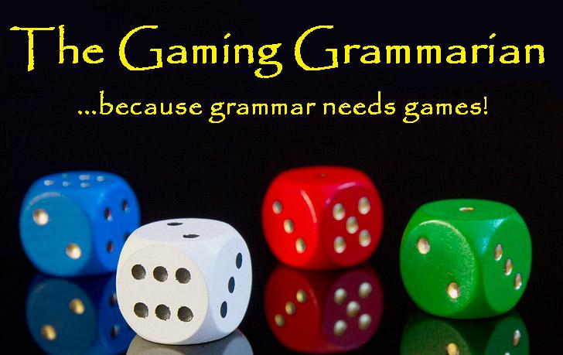

Thank you for purchasing my product, earn credit on TpT by leaving reviews and feedback.
Please remember, while sharing is caring, this purchase gives you the right to use this product in your own
classroom only. Please do not share or distribute this
product in any way except to your own students.
Follow me on:

 | Teachers Pay Teachers
 | Blog
 | Facebook
 | Pinterest
 | YouTube

Need help? Check out the video: How to Play Integer Fishing |  | https://www.youtube.com/watch?v=qQ2OmurfkC8&t=1s

**The first time you open this file you will have to click "Enable Content" in order for the catch goal and cast buttons to work.**

